Solution 1
Case Study #3: Pricing and Production at Blue Ridge Hot Tubs

Demand and Price for Aqua-Spa
Regression Analysis
Information on the monthly product prices and respective demands for each hot tub in the last 24 months:
 |  |  |  |  |  | The elasticity demand function for Aqua-Spa comes out to be 0.88 or 88%, using power regression. It means that 88% of the variability in the demand for Aqua-Spa can be explained by the variability in the price. As the price increases, the demand decreases.
Demand and Price for Aqua-Spa |  |  | Price and Demand for Hydro-Luxe
Period | Price | Demand | Period | Price | Demand
1 | $1,090.00 | 140 | 1 | $1,300.00 | 144
2 | $1,225.00 | 95 | 2 | $1,310.00 | 139
3 | $1,170.00 | 113 | 3 | $1,230.00 | 152
4 | $1,270.00 | 99 | 4 | $1,210.00 | 157
5 | $1,275.00 | 100 | 5 | $1,270.00 | 148
6 | $1,190.00 | 107 | 6 | $1,319.00 | 139
7 | $1,000.00 | 149 | 7 | $1,179.00 | 154
8 | $899.00 | 154 | 8 | $1,169.00 | 168
9 | $1,075.00 | 120 | 9 | $1,175.00 | 162
10 | $1,075.00 | 124 | 10 | $1,215.00 | 154
11 | $989.00 | 148 | 11 | $1,195.00 | 158
Demand and Price for Hydro-Luxe
12 | $979.00 | 138 | 12 | $1,230.00 | 155
13 | $1,105.00 | 130 | 13 | $1,245.00 | 147 | The elasticity demand function for Hydro-Luxe comes out to be 0.84 or 84%, using power regression. It means that 84% of the variability in the demand for Aqua-Spa can be explained by the variability in the price. As the price increases, the demand decreases here as well.
14 | $980.00 | 149 | 14 | $1,210.00 | 149
15 | $879.00 | 158 | 15 | $1,219.00 | 149
16 | $1,080.00 | 123 | 16 | $1,230.00 | 148
17 | $1,179.00 | 116 | 17 | $1,230.00 | 146
18 | $1,239.00 | 110 | 18 | $1,270.00 | 144
19 | $1,120.00 | 126 | 19 | $1,219.00 | 158
20 | $1,009.00 | 142 | 20 | $1,169.00 | 155
21 | $989.00 | 156 | 21 | $1,219.00 | 158
22 | $909.00 | 161 | 22 | $1,132.00 | 167
23 | $1,000.00 | 134 | 23 | $1,129.00 | 171
24 | $1,109.00 | 124 | 24 | $1,135.00 | 169

Solution 3
Pricing and Production at Blue Ridge Hot Tubs: Optimal Solution
Aqua-Spa and Hydro-Luxe Hot Tubs

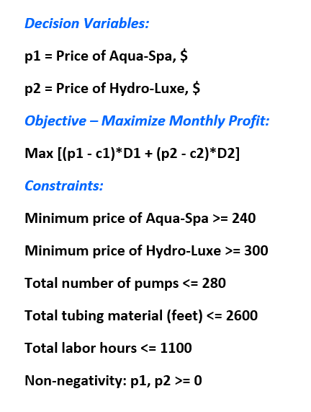
Unit Cost | In dollars ($) |  | Pump | Tubing Material (feet) | Labor Hours | Number of units (Respective demand)
Aqua-Spa (c1) | 240 |  | 1 | 8 | 3 | 163.11
Hydro-Luxe (c2) | 300 |  | 1 | 10 | 4 | 116.89
 |  |  | 280 | 2600 | 1100 | Total

Demand function
Aqua-Spa (Aq) |  |  | Hydro-Luxe (Hy)
Constant | 1,733,350.64 |  | Constant | 1,099,135.82
Elasticity | -1.36 |  | Elasticity | -1.25

Decision Variables
Price for Aq: p1 | 913.27 |  | After applying Solver, we get the optimal solution (maximized profit) as $25,1106.35. Howie Jones should expect to sell one unit of Aqua-Spa at $913.27 and one unit of Hydro-Luxe at $1508.73. The model suggests to produce fractional units of tubs, which is not practical in the production scenario. Rounding off the demand, 163 Aqua-Spa and 117 Hydro-Luxe are expected to be sold at this price, leaving $673.27 and $1208.73 as profits, respectively. The solution could be useful for Blue Ridge Hot Tubs in determining a price that will not have a detrimental effect on demand. The prices obtained could potentially generate a good gross profit for the company. Moreover, Howie should also do a SWOT analysis for the company and analyse what factors cost the most in order to optimize them and increase the net margins.
Demand for Aq: D1 | 163.11
Profit for Aq: s1 | 109814.78
Price for Hy: p2 | 1508.73
Demand for Hy: D2 | 116.89
Profit for Hy: s2 | 141291.57
Total Profit, Objective to maximize total profit | 251106.35

Constraints
Minimum price, p1 | 913.27 | >= | 240
Minimum price, p2 | 1508.73 | >= | 300
Total number of pumps | 280.00 | <= | 280 | Binding constraint
Total tubing material | 2473.78 | <= | 2600
Total labor hours | 956.89 | <= | 1100
Profit/Loss vs Price
Profit/Loss vs Price
 |  |  |  |  |  | Price p2 | Profit s2
Price p1 | Profit s1 |  |  |  |  | $280 | -19192.600256
$200 | -51468.987204 |  |  |  |  | $290 | -9184.4650118
$210 | -36123.468113 |  |  |  |  | $300 | 0
$220 | -22605.888173 |  |  |  |  | $310 | 8449.8547594
$230 | -10639.876038 |  |  |  |  | $320 | 16242.163733
$240 | 0 |  |  |  |  | $330 | 23443.917872
$250 | 9499.2214742 |  |  |  |  | $340 | 30113.602017
 |  |  |  |  |  | $350 | 36302.481295
Profit vs Price
$860 | 109738.80357
Profit vs Price
$870 | 109769.2738 |  |  |  |  | $1,000 | 136819.94183
$880 | 109791.81511 |  |  |  |  | $1,100 | $138,803.52
$890 | 109806.83471 |  |  |  |  | $1,200 | 140061.0292
$900 | 109814.71729 |  |  |  |  | $1,300 | 140806.32738
$910 | 109815.82644 |  |  |  |  | $1,400 | 141183.51884
$920 | 109810.50598 |  |  |  |  | $1,500 | 141292.31265
$930 | 109799.08118 |  |  |  |  | $1,600 | 141203.26387
$940 | 109781.85991 |  |  |  |  | $1,700 | 140967.25578
$950 | 109759.13372 |  |  |  |  | $1,800 | 140621.58512

After doing a profit-price analysis for Aqua-Spa, it is found that $890-$920 is the ideal price range for Blue Ridge Hot tubs to maximize their profits. However, if the price increases further, the profits decrease, because of the decrease in the demand. A concave-shaped, parabolic graph is formed for the price range $860-$950, which suggests that the profits increase with the price first, and then decrease as the demand gets lower. |  |  |  |  |  | After doing a profit-price analysis for Hydro-Luxe, it is found that $1500-$1600 is the ideal price range for Blue Ridge Hot tubs to maximize their profits. Anything below $1000 potentially will lead to less profits. A concave graph is observed here as well, which signifies an increase and then a gradual decrease with increasing price.

Solution 4
Pricing and Production at Blue Ridge Hot Tubs: Optimal Solution with Additional Constraints
Aqua-Spa and Hydro-Luxe Hot Tubs

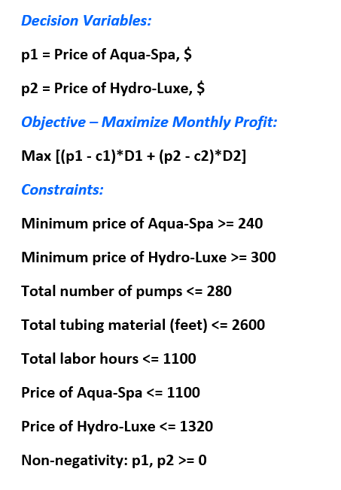
Unit Cost | In dollars ($) |  | Pump | Tubing Material (feet) | Labor Hours | Number of units (Respective demand)
Aqua-Spa | 240 |  | 1 | 8 | 3 | 141.86
Hydro-Luxe | 300 |  | 1 | 10 | 4 | 138.14
 |  |  | 280 | 2600 | 1100 | Total

Demand function
Aqua-Spa (Aq) |  |  | Hydro-Luxe (Hy)
Constant | 1,733,350.64 |  | Constant | 1,099,135.82
Elasticity | -1.36 |  | Elasticity | -1.25

Decision Variables
Price for Aq: p1 | 1011.99 |  | After applying two additional constraints, we get the demand as 142 and 138 for Aqua-Spa and Hydro-Luxe, respectively, with prices of $1012 (rounded off) and $1320 per unit. From the last model in Solution 3, the price for Aqua-Spa has been increased, while that of Hydro-Luxe has been decreased. The optimal solution (250418.67) too has been decreased by $687.68. This model can be useful if Howie intends to keep the prices more competetive. However, it is to be noted that the increase in price per unit of Aqua-Spa has lessened the demand. On the other hand, the demand for Hydro-Luxe has increased. More analysis should be done by Blue Ridge Hot Tubs as the total profit did not increase and the previous model could be more effective.
Demand for Aq: D1 | 141.86
Profit for Aq: s1 | 109511.17
Price for Hy: p2 | 1320.00
Demand for Hy: D2 | 138.14
Profit for Hy: s2 | 140907.50
Total Profit, Objective to maximize total profit | 250418.67

Constraints
Minimum price, p1 | 1011.99 | >= | 240
Minimum price, p2 | 1320.00 | >= | 300
Total number of pumps | 280.00 | <= | 280 | Binding Constraint
Total tubing material | 2516.29 | <= | 2600
Total labor hours | 978.14 | <= | 1100
Price for Aqua-Spa | 1011.99 | <= | 1100 | New Constraints
Price for Hydro-Luxe | 1320.00 | <= | 1320 |  | Binding Constraint

Solution 5
One-way analysis for Solver model in Solution 4 worksheet |  |  |  |  |  |  |  | Sensitivity of $B$22 to Affect of changes in the maximum number of labor hours

When you select an output from the dropdown list in cell $K$4, the chart will adapt to that output.
Affect of changes in the maximum number of labor hours (cell $D$29) values along side, output cell(s) along top |  |  |  |  |  |  |  | Data for chart
 | $B$16 | $B$17 | $B$19 | $B$20 | $B$22 |  | 5 | $B$22
500 | Not feasible |  |  |  |  |  |  | 0
520 | Not feasible |  |  |  |  |  |  | 0
540 | Not feasible |  |  |  |  |  |  | 0
Sensitivity of $B$22 to Affect of changes in the maximum number of labor hours
560 | Not feasible |  |  |  |  |  |  | 0
580 | Not feasible |  |  |  |  |  |  | 0
600 | Not feasible |  |  |  |  |  |  | 0
620 | Not feasible |  |  |  |  |  |  | 0
640 | Not feasible |  |  |  |  |  |  | 0
660 | Not feasible |  |  |  |  |  |  | 0
680 | Not feasible |  |  |  |  |  |  | 0
700 | Not feasible |  |  |  |  |  |  | 0
720 | Not feasible |  |  |  |  |  |  | 0
740 | Not feasible |  |  |  |  |  |  | 0
760 | Not feasible |  |  |  |  |  |  | 0
780 | Not feasible |  |  |  |  |  |  | 0
800 | Not feasible |  |  |  |  |  |  | 0
820 | Not feasible |  |  |  |  |  |  | 0
840 | Not feasible |  |  |  |  |  |  | 0
860 | Not feasible |  |  |  |  |  |  | 0
880 | Not feasible |  |  |  |  |  |  | 0
900 | Not feasible |  |  |  |  |  |  | 0 | We build the SolverTable to analyze changes in the maximum number of labor hours affect the optimal price for each hot tub ($B16, $B19), the number of units produced ($B17, $B20), and the maximum total profit ($B22). From the table, we observe that any number of hours below 920 are not feasible for the production. From 980 hours onwards, the price and demand of Aqua-Spa are consistent, while they are consistent for Hydro-Luxe starting 940 hours onwards. It is also notable that the maximum profit does not have any impact starting 980 labor hours, before which it is litte lower. It is seen that changing the number of labor hours does not have a significant impact on the factors considered, and they moreover remain the same. It is optimal to keep the labor hours between 960-980 as increasing the hours might impact the cost, and it is not changing the profit. Hence, Blue Ridge Hot Tubs should consider analysing other factors like the cost for each tub, increasing number of units produced, and other market factors.
920 | Not feasible |  |  |  |  |  |  | 0
940 | 1084.34 | 129.14 | 1320.00 | 138.14 | 249945.74 |  |  | 249945.73546
960 | 1044.94 | 135.81 | 1320.00 | 138.14 | 250224.00 |  |  | 250224.00313
980 | 1011.99 | 141.86 | 1320.00 | 138.14 | 250418.67 | our optimal solution lies here. |  | 250418.66982
1000 | 1011.99 | 141.86 | 1320.00 | 138.14 | 250418.67 |  |  | 250418.66982
1020 | 1011.99 | 141.86 | 1320.00 | 138.14 | 250418.67 |  |  | 250418.66982
1040 | 1011.99 | 141.86 | 1320.00 | 138.14 | 250418.67 |  |  | 250418.66982
1060 | 1011.99 | 141.86 | 1320.00 | 138.14 | 250418.67 |  |  | 250418.66982
1080 | 1011.99 | 141.86 | 1320.00 | 138.14 | 250418.67 |  |  | 250418.66982
1100 | 1011.99 | 141.86 | 1320.00 | 138.14 | 250418.67 |  |  | 250418.66982
1120 | 1011.99 | 141.86 | 1320.00 | 138.14 | 250418.67 |  |  | 250418.66982
1140 | 1011.99 | 141.86 | 1320.00 | 138.14 | 250418.67 |  |  | 250418.66982
1160 | 1011.99 | 141.86 | 1320.00 | 138.14 | 250418.67 |  |  | 250418.66982
1180 | 1011.99 | 141.86 | 1320.00 | 138.14 | 250418.67 |  |  | 250418.66982
1200 | 1011.99 | 141.86 | 1320.00 | 138.14 | 250418.67 |  |  | 250418.66982
1220 | 1011.99 | 141.86 | 1320.00 | 138.14 | 250418.67 |  |  | 250418.66982
1240 | 1011.99 | 141.86 | 1320.00 | 138.14 | 250418.67 |  |  | 250418.66982
1260 | 1011.99 | 141.86 | 1320.00 | 138.14 | 250418.67 |  |  | 250418.66982
1280 | 1011.99 | 141.86 | 1320.00 | 138.14 | 250418.67 |  |  | 250418.66982
1300 | 1011.99 | 141.86 | 1320.00 | 138.14 | 250418.67 |  |  | 250418.66982
1320 | 1011.99 | 141.86 | 1320.00 | 138.14 | 250418.67 |  |  | 250418.66982
1340 | 1011.99 | 141.86 | 1320.00 | 138.14 | 250418.67 |  |  | 250418.66982
1360 | 1011.99 | 141.86 | 1320.00 | 138.14 | 250418.67 |  |  | 250418.66982
1380 | 1011.99 | 141.86 | 1320.00 | 138.14 | 250418.67 |  |  | 250418.66982
1400 | 1011.99 | 141.86 | 1320.00 | 138.14 | 250418.67 |  |  | 250418.66982
1420 | 1011.99 | 141.86 | 1320.00 | 138.14 | 250418.67 |  |  | 250418.66982
1440 | 1011.99 | 141.86 | 1320.00 | 138.14 | 250418.67 |  |  | 250418.66982
1460 | 1011.99 | 141.86 | 1320.00 | 138.14 | 250418.67 |  |  | 250418.66982
1480 | 1011.99 | 141.86 | 1320.00 | 138.14 | 250418.67 |  |  | 250418.66982
1500 | 1011.99 | 141.86 | 1320.00 | 138.14 | 250418.67 |  |  | 250418.66982

